Response sheet 2(ANS)
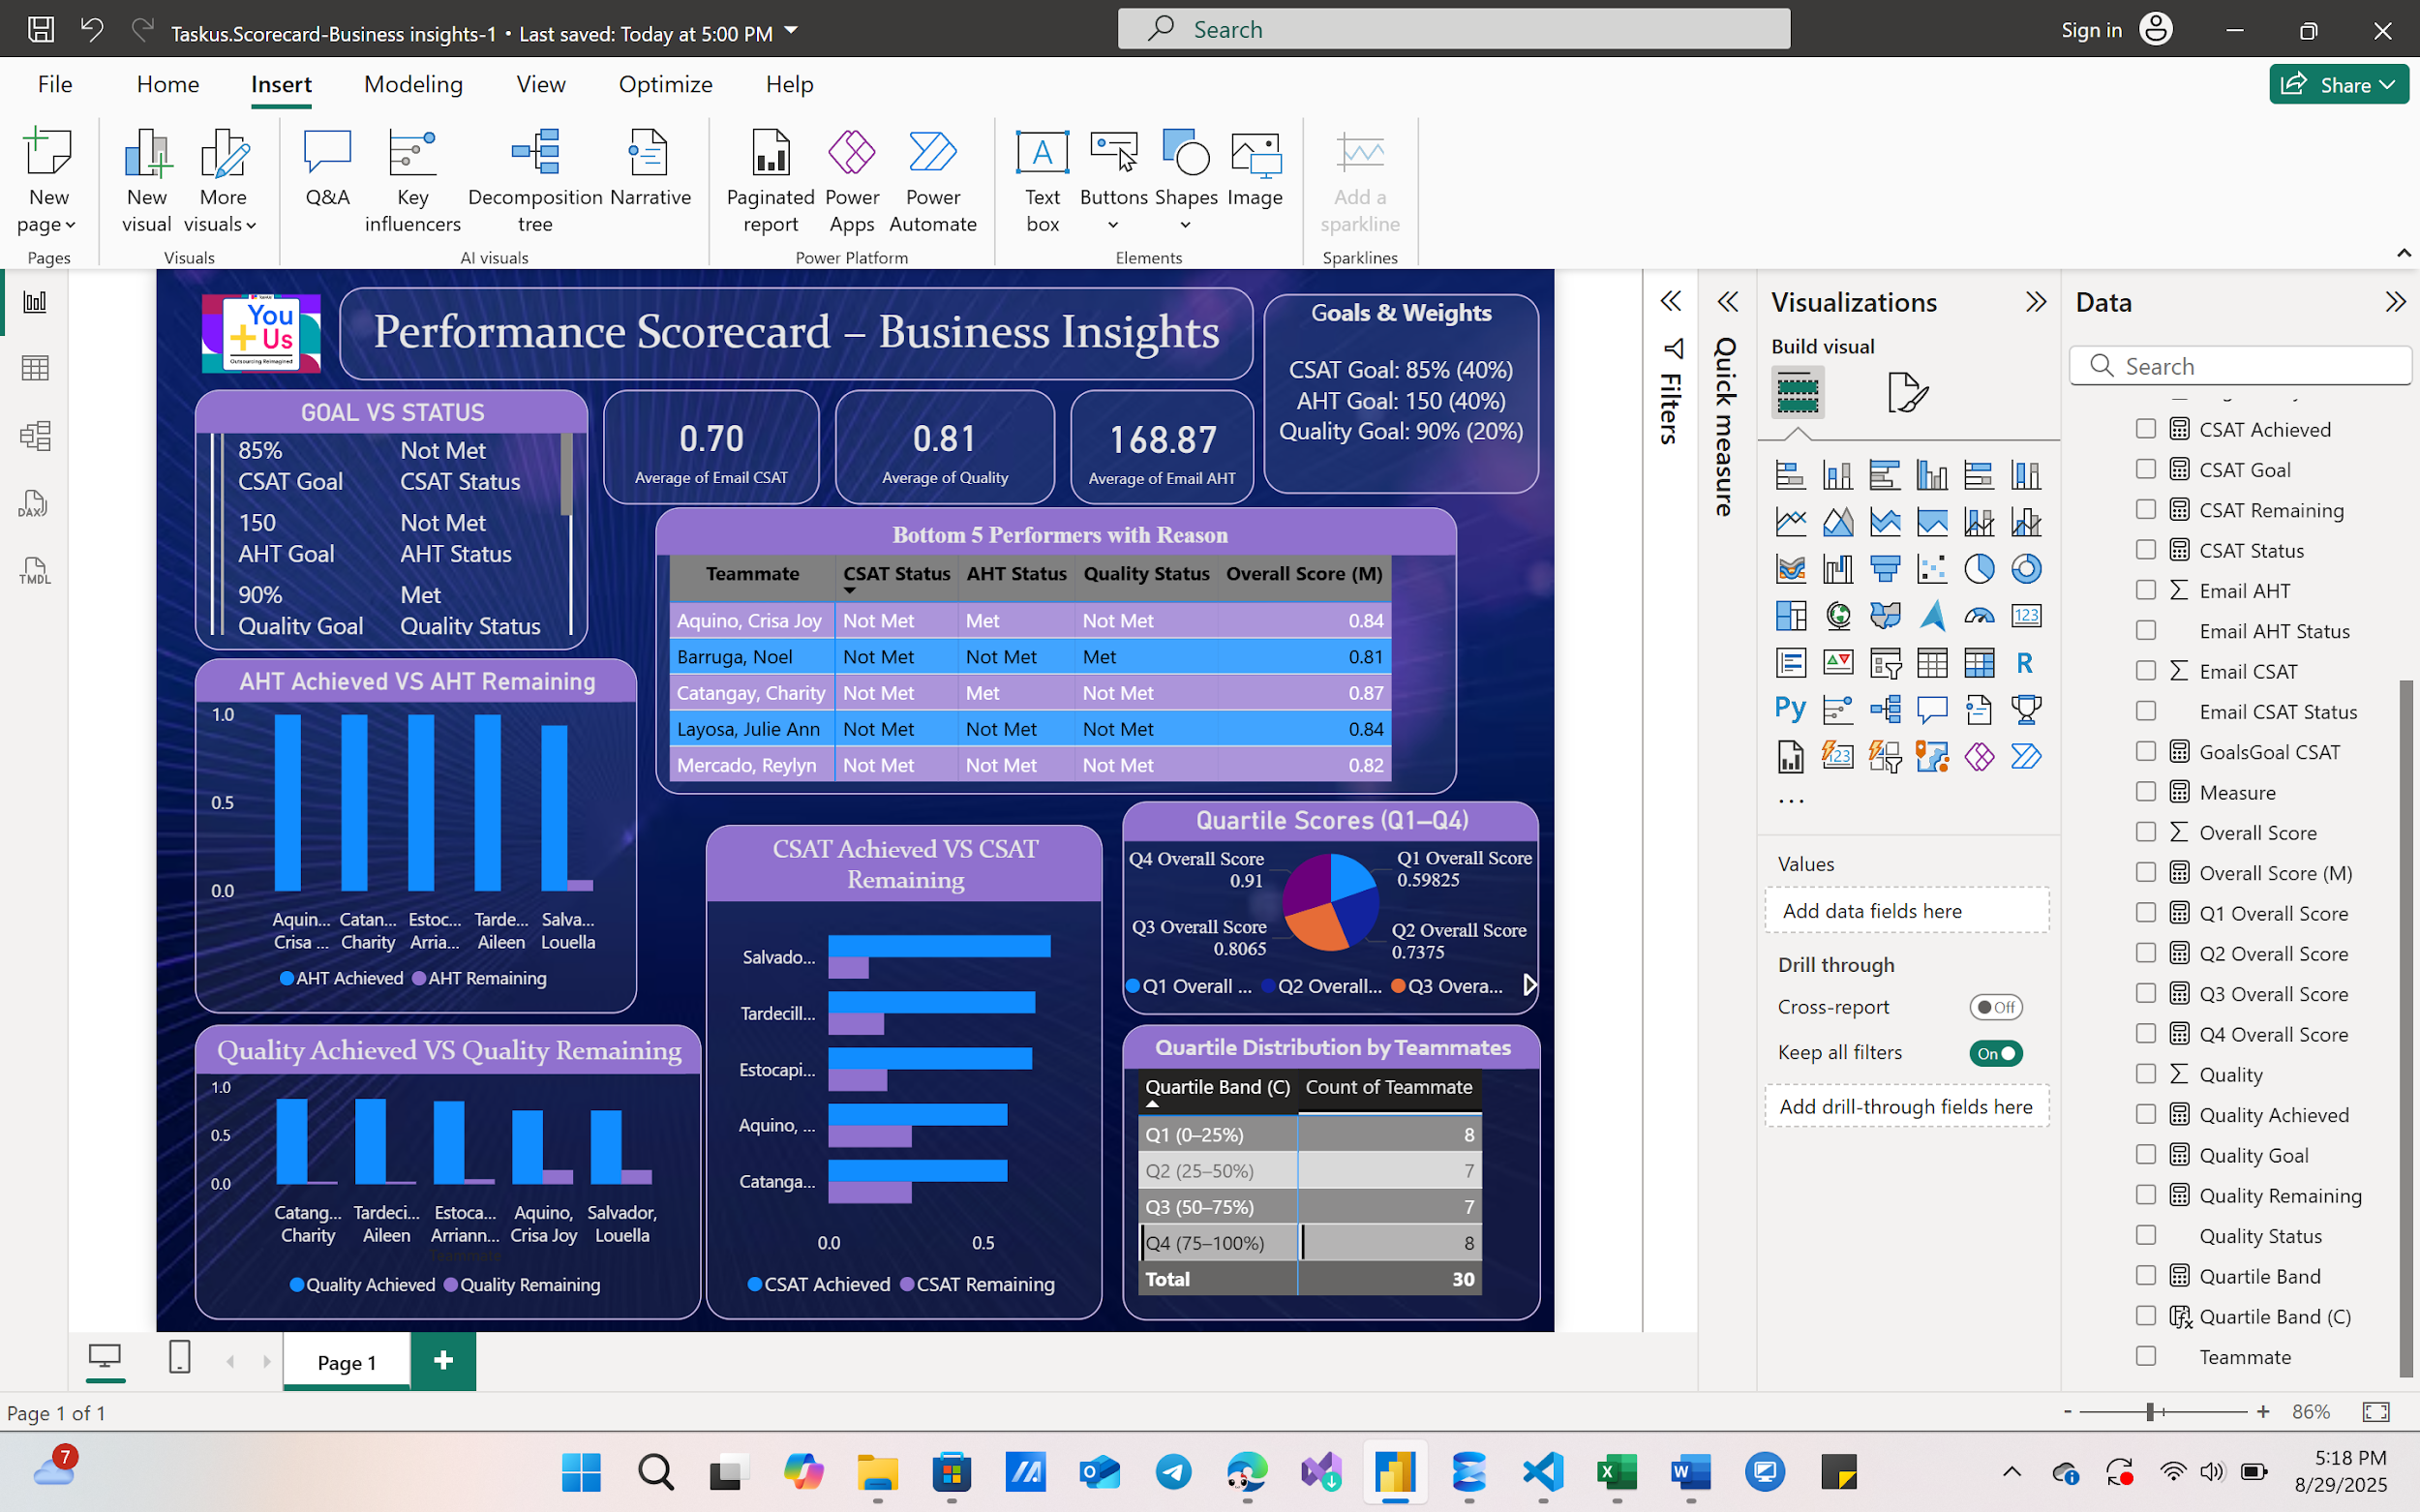
S. No. | Question
1 | Create a Scorecard Using The Kpis, Goals And Weights In The Grid. Use The Dataset In "Raw Data2" Tab

GRID
Goals | KPIs | Goals
 | Email CSAT (higher the better) | 85.00%
 | Email AHT (lower the better) | 150.00
 | Quality (higher the better) | 90.00%

Weightages | KPIs | Weights
 | Email CSAT | 40.00%
 | Email AHT | 40.00%
 | Quality | 20.00%

ANS -1

KPI Cards (3 visuals)

Avg CSAT (with goal 85%, weight 40%)

Avg AHT (with goal 150, weight 40%)

Avg Quality (with goal 90%, weight 20%)

Goal vs Status (small box)

Show each KPI’s goal and whether Met / Not Met

Goal & weight instructions

S. No. | Question
2 | Find out maximum impact bottom performer and state the reason

ANS -2
Focus: Bottom 5 teammates with CSAT Status, AHT Status, Quality Status.

S. No. | Question
3 | Find out quartile scores for the data excluding errors if any

ANS -3

Quartile Analysis

Q1, Q2, Q3, Q4 scores (Pie chart)

Quartile distribution (table chart by teammates)

Performance Scorecard- Business Insights Dashboard

